Sheet1
Year | 1 | 2 | 3 | 4

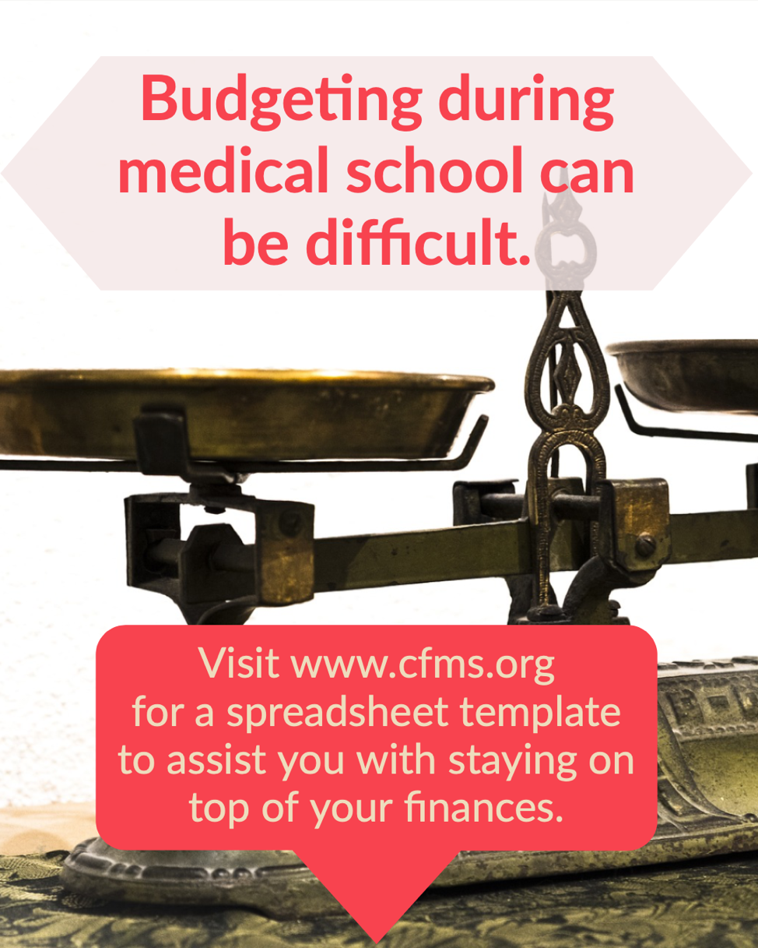
CASH INFLOWS | - | - | - | -
Scholarships/bursaries/grants
Loans
RESP
Part-time or full-time employment
Family contribution
Other income (e.g., investments)

CASH OUTFLOWS | - | - | - | -
School | - | - | - | -
Tuition
Books and supplies
Other ancillary curricular fees
Living
Living | - | - | - | -
Housing costs (e.g., rent or mortgage)
Food
Utilities
Transportation
Cell phone
Internet
Entertainment
Clothing
Gym membership
Other (e.g., Netflix, Spotify, subscriptions)
Other costs** | - | - | - | -
Life insurance
Tenant insurance/home insurance
Disability insurance
Car insurance
Medical association fees

Net surplus (deficit)* | - | - | - | -

*Line of credit normally required to be drawn upon to close the financing gap in cases of deficits.
**Electives and CaRMS application/tour costs not incorporated in this budget.

